Basics
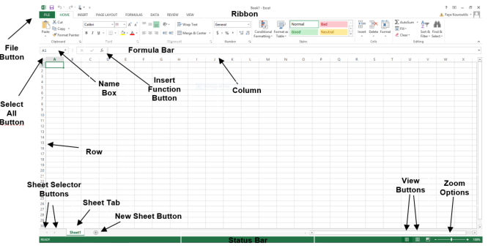
part of MS office
product of Microsoft
Go to file- Account-get version of excel: excel 2013,Excel 2021
To open -window+R-type -Excel
Try to work on window rather than MAC coz in company uh will have to work on windows

2019, 2013, 2016, 2010, 365 you have to get it done -version 365, 2019
Other softwares present in MS office==> ms word,ms powerpoint, ms outlook, ms access,ms excel,ms power bi

Basic Concepts
you are seeing current sheet is called ===>worksheet==> uh can add as many workshhets in a single workbook
Workbook is a collection of sheets

Cell: it is combination of rows and columns
Title bar/Ribbon bar
Menu bar
Formula bar
status bar
Name box

worksheet===>collection of rows and columns

coulmns===>text
rows===>int
cell===>A25

